Sheet1
 |  |  |  |  | SIM-KS8.UDP TÜKETİM RAPORU (Kwh)

Data Warnings

 |  | Message |  |  |  |  |  |  | Date Added
 |  | One or more gaps were detected in data used for this report. |  |  |  |  |  |  | 11/1/2023 6:48:18 PM

 |  | Usage Summary

 |  | Source | Real Energy Into the Load (kWh)
 |  |  | January 2023 |  |  | February 2023 |  | March 2022 |  |  | March 2023 |  |  | April 2022 | April 2023 | May 2022 | May 2023 | June 2022 | June 2023 | July 2022 | July 2023 | August 2022 | August 2023 | September 2022 | September 2023 | October 2022 | October 2023 | November 2022 | December 2022
 |  | SIM.KS8_1_UDP | 22,481.63 |  |  | 20,320.23 |  | 21,288.46 |  |  | 22,480.00 |  |  | 21,707.36 | 22,242.00 | 22,476.59 | 23,229.88 | 21,770.41 | 22,260.88 | 22,315.18 | 23,384.25 | 22,509.38 | 23,284.38 | 21,780.50 | 22,447.00 | 22,511.90 | 21,163.75 | 21,777.98 | 22,509.38
 |  | SIM.KS8_2_UDP | 22,946.79 |  |  | 20,740.67 |  | 21,727.93 |  |  | 22,958.61 |  |  | 22,156.50 | 22,581.38 | 22,941.64 | 23,678.00 | 22,220.85 | 22,400.25 | 22,776.89 | 23,545.38 | 22,975.11 | 23,404.25 | 22,231.15 | 22,584.25 | 22,977.68 | 21,283.13 | 22,228.58 | 22,975.11
 |  | SIM.KS8_3_UDP | 13,297.22 |  |  | 12,018.82 |  | 12,588.81 |  |  | 13,264.34 |  |  | 12,839.27 | 12,238.31 | 13,294.24 | 12,984.50 | 12,875.07 | 12,542.25 | 13,198.77 | 13,323.06 | 13,313.63 | 14,542.94 | 12,882.53 | 15,124.63 | 13,315.13 | 14,547.81 | 12,879.54 | 13,313.63
 |  | SIM.KS8_4_UDP | 20,896.19 |  |  | 18,887.21 |  | 19,788.35 |  |  | 20,957.88 |  |  | 20,176.52 | 20,319.81 | 20,891.50 | 20,985.63 | 20,235.13 | 20,831.13 | 20,741.47 | 22,318.13 | 20,921.98 | 24,173.38 | 20,244.50 | 24,506.00 | 20,924.32 | 24,186.25 | 20,242.16 | 20,921.98
 |  | Total | 79,621.84 |  |  | 71,966.92 |  | 75,393.56 |  |  | 79,660.83 |  |  | 76,879.65 | 77,381.50 | 79,603.97 | 80,878.00 | 77,101.46 | 78,034.50 | 79,032.31 | 82,570.81 | 79,720.09 | 85,404.94 | 77,138.68 | 84,661.88 | 79,729.02 | 81,180.94 | 77,128.26 | 79,720.09

 |  | Relative Usage Column Chart

 |  | 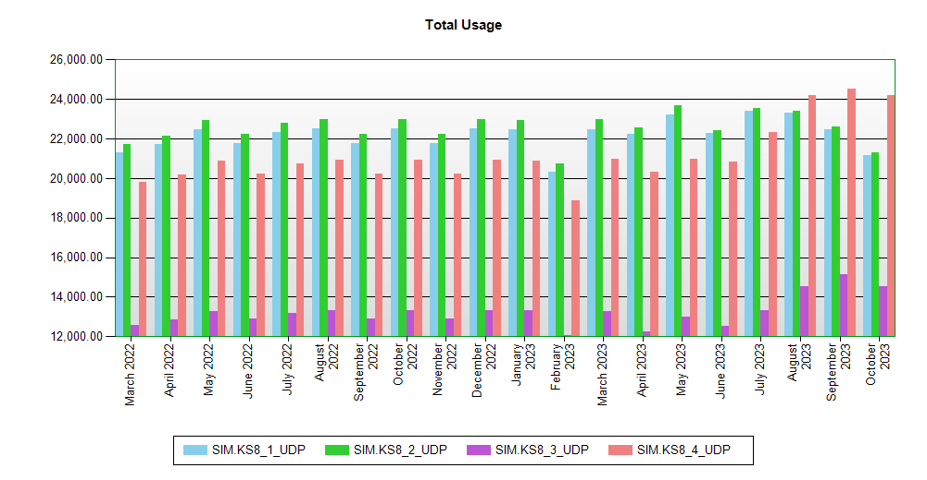

 | Interval Usage Data

 |  | Period : January 2023 Interval : Day of Month |  | SIM.KS8_1_UDP |  |  | SIM.KS8_2_UDP |  |  | SIM.KS8_3_UDP |  | SIM.KS8_4_UDP | Interval Total
 |  | 1 |  | 726.35 |  |  | 741.38 |  |  | 429.62 |  | 675.13 | 2,572.48
 |  | 2 |  | 726.35 |  |  | 741.38 |  |  | 429.62 |  | 675.13 | 2,572.48
 |  | 3 |  | 726.35 |  |  | 741.38 |  |  | 429.62 |  | 675.13 | 2,572.48
 |  | 4 |  | 726.35 |  |  | 741.38 |  |  | 429.62 |  | 675.13 | 2,572.48
 |  | 5 |  | 726.35 |  |  | 741.38 |  |  | 429.62 |  | 675.13 | 2,572.48
 |  | 6 |  | 726.35 |  |  | 741.38 |  |  | 429.62 |  | 675.13 | 2,572.48
 |  | 7 |  | 726.35 |  |  | 741.38 |  |  | 429.62 |  | 675.13 | 2,572.48
 |  | 8 |  | 726.35 |  |  | 741.38 |  |  | 429.62 |  | 675.13 | 2,572.48
 |  | 9 |  | 726.35 |  |  | 741.38 |  |  | 429.62 |  | 675.13 | 2,572.48
 |  | 10 |  | 726.35 |  |  | 741.38 |  |  | 429.62 |  | 675.13 | 2,572.48
 |  | 11 |  | 726.35 |  |  | 741.38 |  |  | 429.62 |  | 675.13 | 2,572.48
 |  | 12 |  | 726.35 |  |  | 741.38 |  |  | 429.62 |  | 675.13 | 2,572.48
 |  | 13 |  | 721.31 |  |  | 736.23 |  |  | 426.63 |  | 670.44 | 2,554.62
 |  | 14 |  | 723.83 |  |  | 738.81 |  |  | 428.12 |  | 672.79 | 2,563.55
 |  | 15 |  | 718.79 |  |  | 733.66 |  |  | 425.14 |  | 668.10 | 2,545.68
 |  | 16 |  | 726.35 |  |  | 741.38 |  |  | 429.62 |  | 675.13 | 2,572.48
 |  | 17 |  | 726.35 |  |  | 741.38 |  |  | 429.62 |  | 675.13 | 2,572.48
 |  | 18 |  | 726.35 |  |  | 741.38 |  |  | 429.62 |  | 675.13 | 2,572.48
 |  | 19 |  | 723.83 |  |  | 738.81 |  |  | 428.12 |  | 672.79 | 2,563.55
 |  | 20 |  | 723.83 |  |  | 738.81 |  |  | 428.12 |  | 672.79 | 2,563.55
 |  | 21 |  | 726.35 |  |  | 741.38 |  |  | 429.62 |  | 675.13 | 2,572.48
 |  | 22 |  | 726.35 |  |  | 741.38 |  |  | 429.62 |  | 675.13 | 2,572.48
 |  | 23 |  | 726.35 |  |  | 741.38 |  |  | 429.62 |  | 675.13 | 2,572.48
 |  | 24 |  | 726.35 |  |  | 741.38 |  |  | 429.62 |  | 675.13 | 2,572.48
 |  | 25 |  | 726.35 |  |  | 741.38 |  |  | 429.62 |  | 675.13 | 2,572.48
 |  | 26 |  | 721.31 |  |  | 736.23 |  |  | 426.63 |  | 670.44 | 2,554.62
 |  | 27 |  | 726.35 |  |  | 741.38 |  |  | 429.62 |  | 675.13 | 2,572.48
 |  | 28 |  | 723.83 |  |  | 738.81 |  |  | 428.12 |  | 672.79 | 2,563.55
 |  | 29 |  | 718.79 |  |  | 733.66 |  |  | 425.14 |  | 668.10 | 2,545.68
 |  | 30 |  | 726.35 |  |  | 741.38 |  |  | 429.62 |  | 675.13 | 2,572.48
 |  | 31 |  | 726.35 |  |  | 741.38 |  |  | 429.62 |  | 675.13 | 2,572.48
 |  | Period Totals |  | 22,481.63 |  |  | 22,946.79 |  |  | 13,297.22 |  | 20,896.19

